Drawio-Objects
Draw.io Objects
Object | Style | Value | Shape
Button | strokeWidth | 1
 | shadow | 0
 | dashed | 0
 | align | center
 | html | 1
 | shape | mxgraph.mockup.buttons.button
 | strokeColor | #666666
 | fontColor | #ffffff
 | mainText
 | buttonStyle | round
 | fontSize | 17
 | fontStyle | 1
 | fillColor | #008cff
 | whiteSpace | wrap
Text Box | strokeWidth | 1
 | shadow | 0
 | dashed | 0
 | align | center
 | html | 1
 | shape | mxgraph.mockup.text.textBox
 | fontColor | #666666
 | align | left
 | fontSize | 17
 | spacingLeft | 4
 | spacingTop | -3
 | strokeColor | #666666
 | mainText
Radio Button | shape | ellipse
 | fillColor | #eeeeee
 | strokeColor | #999999
 | gradientColor | #cccccc
 | html | 1
 | align | left
 | spacingLeft | 4
 | fontSize | 17
 | fontColor | #666666
 | labelPosition | right
 | shadow | 0
Combo Box | strokeWidth | 1
 | shadow | 0
 | dashed | 0
 | align | center
 | html | 1
 | shape | mxgraph.mockup.forms.comboBox
 | strokeColor | #999999
 | fillColor | #ddeeff
 | align | left
 | fillColor2 | #aaddff
 | mainText
 | fontColor | #666666
 | fontSize | 17
 | spacingLeft | 3
Password Box | strokeWidth | 1
 | shadow | 0
 | dashed | 0
 | align | center
 | html | 1
 | shape | mxgraph.mockup.forms.pwField
 | strokeColor | #999999
 | mainText
 | align | left
 | fontColor | #666666
 | fontSize | 17
 | spacingLeft | 3
Check Box | strokeWidth | 1
 | shadow | 0
 | dashed | 0
 | align | center
 | html | 1
 | shape | mxgraph.mockup.forms.rrect
 | rSize | 0
 | fillColor | #eeeeee
 | strokeColor | #999999
 | gradientColor | #cccccc
 | align | left
 | spacingLeft | 4
 | fontSize | 17
 | fontColor | #666666
 | labelPosition | right
Text | text |  | 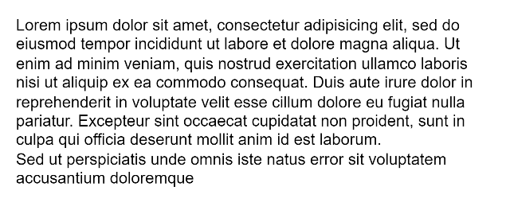
 | spacingTop | -5
 | whiteSpace | wrap
 | html | 1
 | align | left
 | fontSize | 12
 | fontFamily | Helvetica
 | fillColor | none
 | strokeColor | none
Search Box | strokeWidth | 1
 | shadow | 0
 | dashed | 0
 | align | center
 | html | 1
 | shape | mxgraph.mockup.forms.searchBox
 | strokeColor | #999999
 | mainText
 | strokeColor2 | #008cff
 | fontColor | #666666
 | fontSize | 17
 | align | left
 | spacingLeft | 3
Frame | strokeWidth | 1 | 
 | shadow | 0
 | dashed | 0
 | align | center
 | html | 1
 | shape | mxgraph.mockup.forms.rrect
 | rSize | 0
 | strokeColor | #999999
 | fillColor | #ffffff
 | recursiveResize | 0
Windows Frame | strokeWidth | 1 | 
 | shadow | 0
 | dashed | 0
 | align | center
 | html | 1
 | shape | mxgraph.mockup.containers.window
 | align | left
 | verticalAlign | top
 | spacingLeft | 8
 | strokeColor2 | #008cff
 | strokeColor3 | #c4c4c4
 | fontColor | #666666
 | mainText
 | fontSize | 17
 | labelBackgroundColor | none
Directional Connector | endArrow | classic
 | html | 1
 | rounded | 0
 | exitX | 0.982
 | exitY | 0.547
 | exitDx | 0
 | exitDy | 0
 | exitPerimeter | 0
 | entryX | 0.004
 | entryY | 0.613
 | entryDx | 0
 | entryDy | 0
 | entryPerimeter | 0
 | source
 | target
Table | shape | partialRectangle | 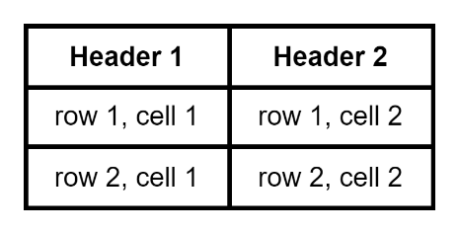
 | html | 1
 | whiteSpace | wrap
 | connectable | 0
 | fillColor | none
 | top | 0
 | left | 0
 | bottom | 0
 | right | 0
 | overflow | hidden
 | shape | tableRow
 | horizontal | 0
 | startSize | 0
 | swimlaneHead | 0
 | swimlaneBody | 0
 | top | 0
 | left | 0
 | bottom | 0
 | right | 0
 | collapsible | 0
 | dropTarget | 0
 | fillColor | none
 | points | [[0,0.5],[1,0.5]]
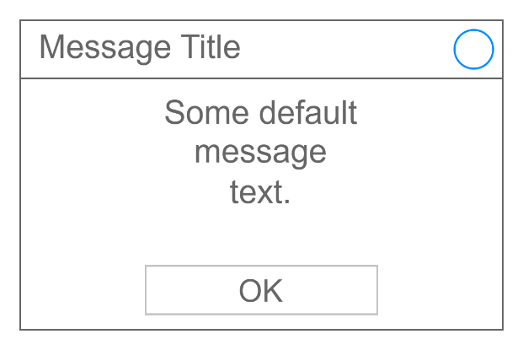
 | portConstraint | eastwest
Integration | id | gfOZZN30UZAbTlPEWikF-2
 | Parent | gfOZZN30UZAbTlPEWikF-1

mxfile | host | app.diagrams.net
 | modified | 2023-02-27T07:25:18.783Z
 | agent | 5.0 (Windows NT 10.0; Win64; x64) AppleWebKit/537.36 (KHTML, like Gecko) Chrome/110.0.0.0 Safari/537.36
 | etag | _RBXi7xz4otYBU6eaSvD
 | version | 20.8.23
 | type | device
 | pages | 10
diagram | name | Page-1
 | id | HsX2YadkRmnXCzilZfh6
mxGraphModel | dx | 794
 | dy | 576
 | grid | 1
 | gridSize | 10
 | guides | 1
 | tooltips | 1
 | connect | 1
 | arrows | 1
 | fold | 1
 | page | 1
 | pageScale | 1
 | pageWidth | 850
 | pageHeight | 1100
 | math | 0
 | shadow | 0
root
mxCell | id | 1
 | Parent | 0
mxCell | id | gfOZZN30UZAbTlPEWikF-2
 | value | Button Text
 | style | strokeWidth=1;shadow=0;dashed=0;align=center;html=1;shape=mxgraph.mockup.buttons.button;strokeColor=#666666;fontColor=#ffffff;mainText=;buttonStyle=round;fontSize=17;fontStyle=1;fillColor=#008cff;whiteSpace=wrap;
 | edge | 1
 | vertex | 1
 | Parent | 1
mxGeometry | width | 50
 | height | 50
 | relative | 1
 | as | geometry
mxPoint | x | -42
 | y | -34
 | as | offset
Array | as | points

